Green House Gases Guidance
APPENDIX I

Green House Gases Guidance

MarinTrust has updated the environmental accountability criteria to consider the inclusion of requirements that records and allows effective management of waste, effluent, energy usage, responsible use of water and Green House Gases (GHG) emissions during the facility operation. It is important that MarinTrust demonstrates the integrity and transparency of the Programme. It is also essential for continuous improvement, establishing a baseline performance to allow and show improvement on a continuous basis. Following feedback that some companies don’t currently have systems in place to calculate Carbon Dioxide equivalent (tCO2e), and considering the difficulty in achieving a complete GHG emission measure (Figure 1: Scopes 1, 2 and 3), the first step should be to report at least Scope 1, regarding the calculation of the fuels used directly by the company's facilities and vehicles. Figure 1: Overview of GHG protocol scopes and emissions across the value chain

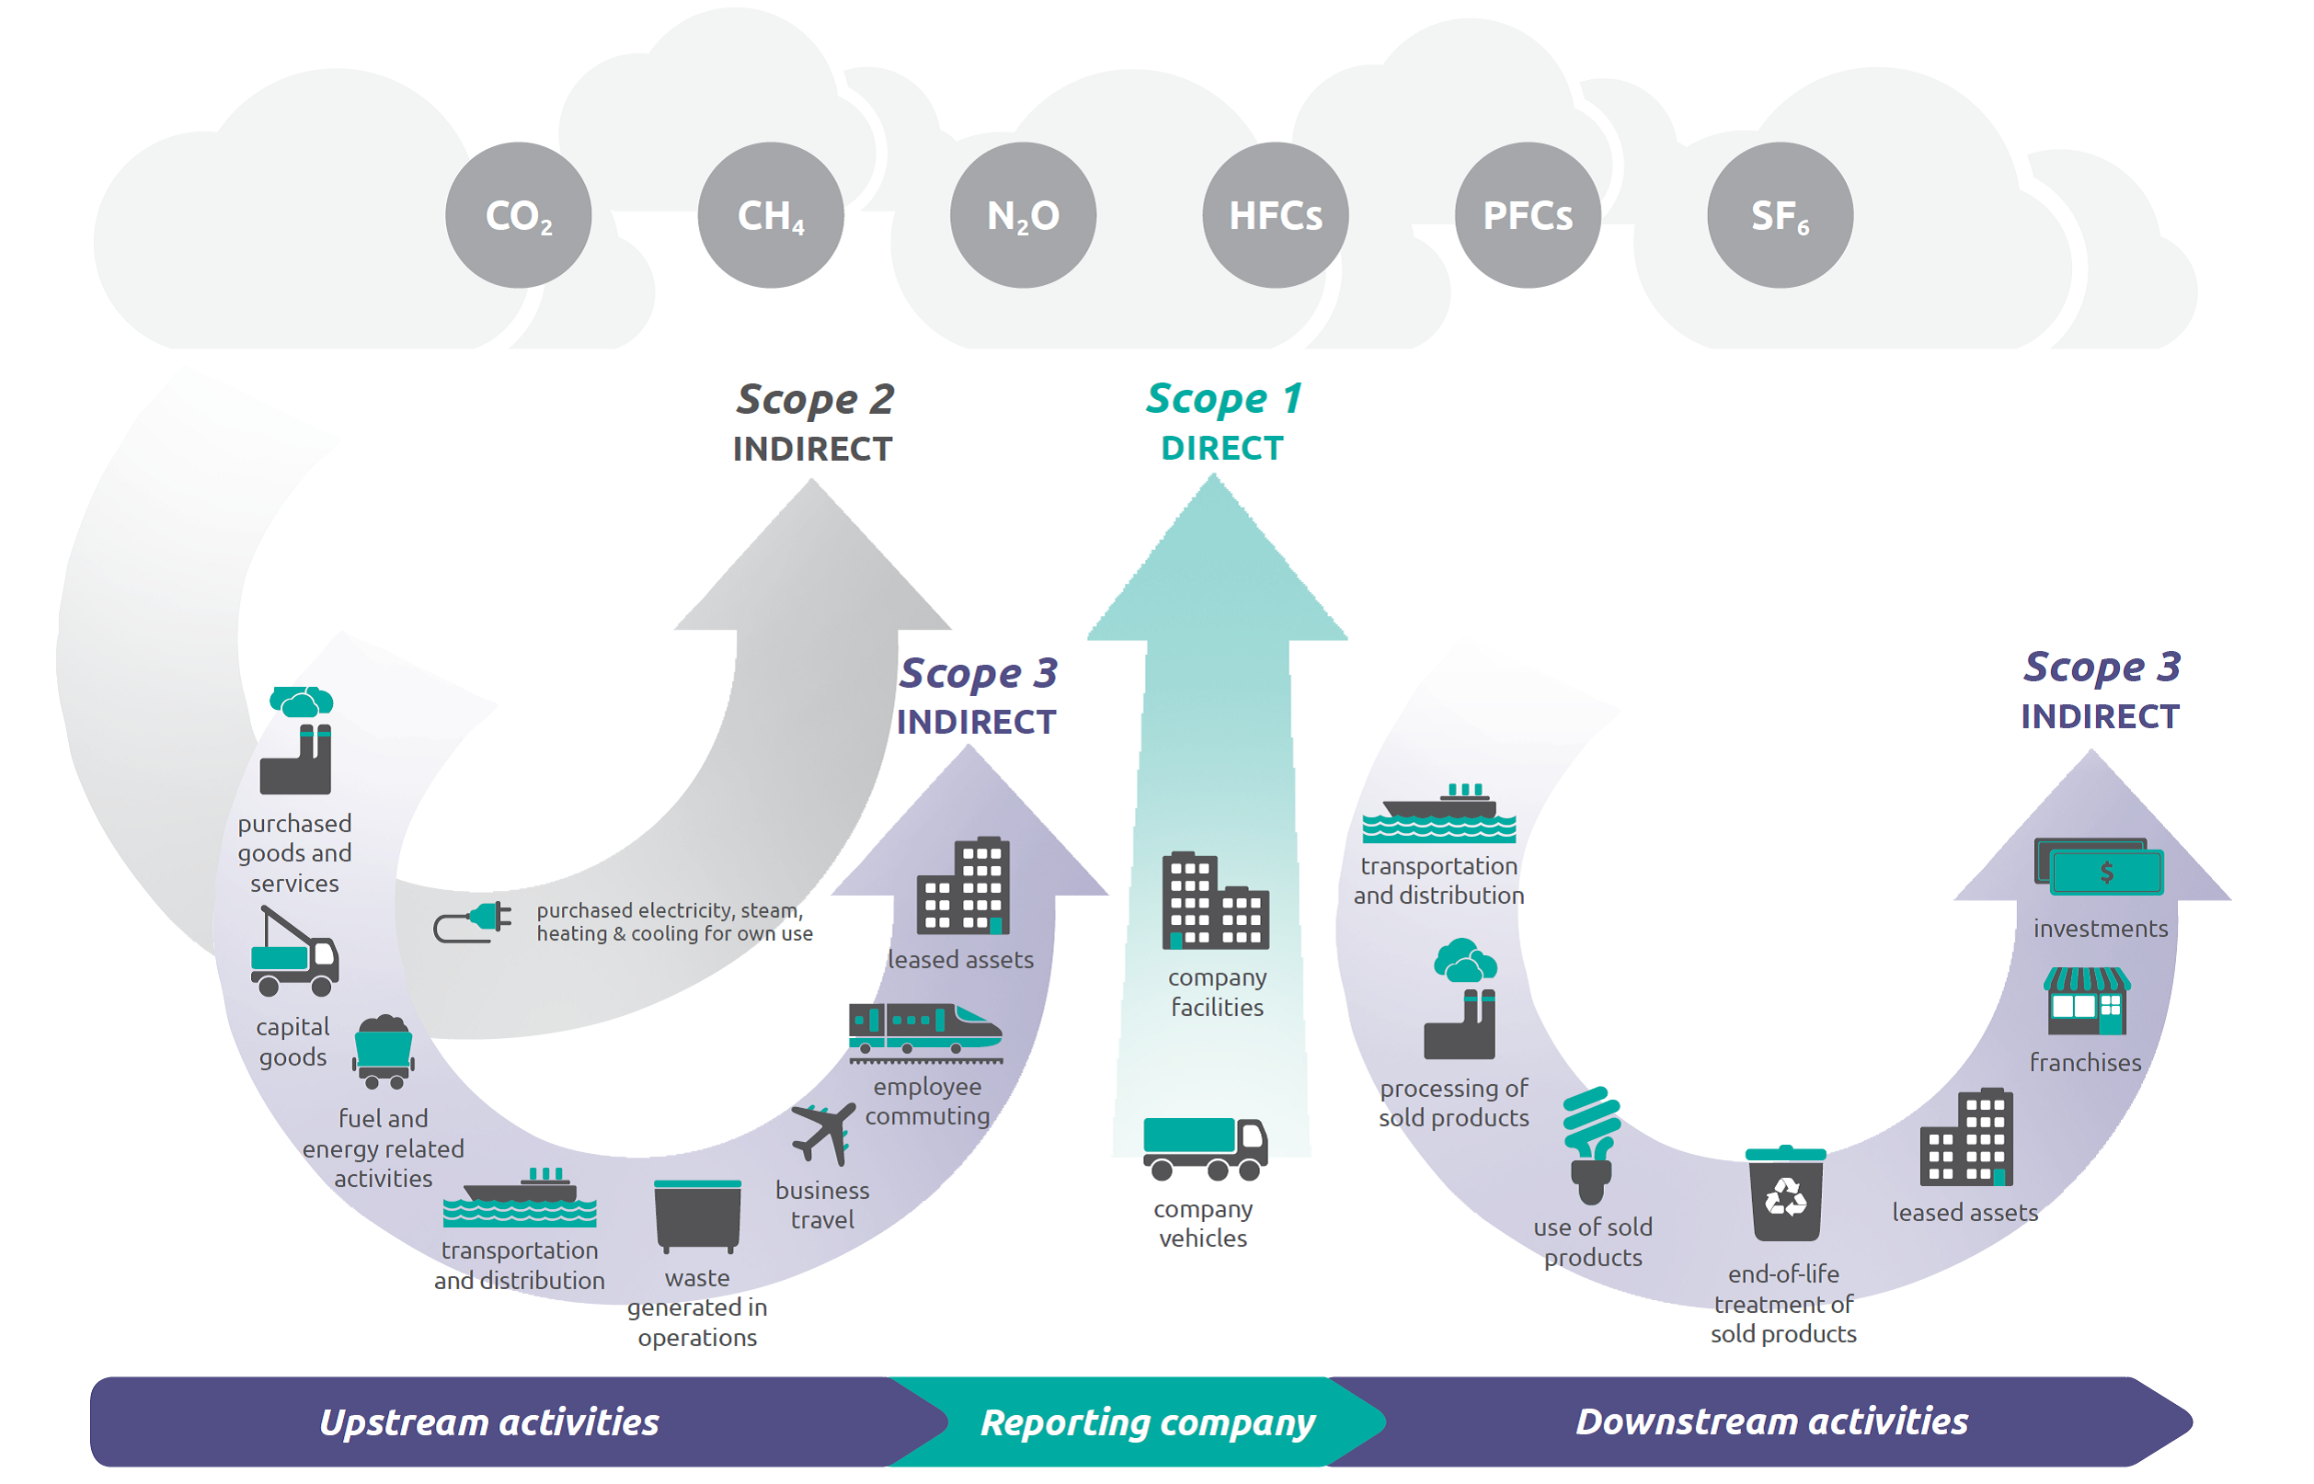

Source: WRI/WBCSD Corporate Value Chain Accounting Reporting Standard The marine ingredient production facility may choose to use the following tool to start measuring and reporting on an annual basis (aligned with the request of energy report). Only Scope 1 is necessary.

Greenhouse Gas Protocol Stationary Combustion Tool Version 4.1

Reference: World Resources Institute (2015)

