Information
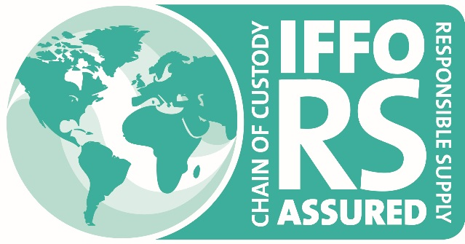
INFORMATION

Enquiry for Certification against the IFFO RS Chain of Custody Standard for Responsible Supply (IFFO RS CoC)

Instructions for completion of this application form.
All Applicants must complete all the information requested in this form. In the case that the applicant does not use subcontractors and is a single site, the applicant must complete ALL of section 1 only. Applicants must list all the IFFO RS compliant raw material providers in point 5, section 1. Applicants applying with multiple registereed sites must also complete section 2, and those applicants who use subcontractors must also complete Section 3.

Please go to Section1

